C5.1
Back to contents
 | Chart 5.1: Total managed expenditure as a share of GDP

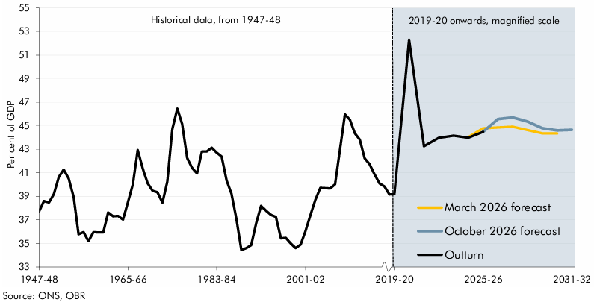

 | Year | Outturn | March 2026 forecast | October 2026 forecast
 | 1947-48 | 37.7
 | 1948-49 | 38.6
 | 1949-50 | 38.5
 | 1950-51 | 39.2
 | 1951-52 | 40.6
 | 1952-53 | 41.3
 | 1953-54 | 40.5
 | 1954-55 | 38.9
 | 1955-56 | 35.8
 | 1956-57 | 36.0
 | 1957-58 | 35.2
 | 1958-59 | 35.9
 | 1959-60 | 35.9
 | 1960-61 | 35.9
 | 1961-62 | 37.6
 | 1962-63 | 37.3
 | 1963-64 | 37.3
 | 1964-65 | 37.0
 | 1965-66 | 38.5
 | 1966-67 | 40.0
 | 1967-68 | 42.9
 | 1968-69 | 41.4
 | 1969-70 | 40.1
 | 1970-71 | 39.5
 | 1971-72 | 39.3
 | 1972-73 | 38.5
 | 1973-74 | 40.3
 | 1974-75 | 44.7
 | 1975-76 | 46.5
 | 1976-77 | 45.1
 | 1977-78 | 42.3
 | 1978-79 | 41.4
 | 1979-80 | 40.9
 | 1980-81 | 42.8
 | 1981-82 | 42.8
 | 1982-83 | 43.1
 | 1983-84 | 42.7
 | 1984-85 | 42.4
 | 1985-86 | 40.3
 | 1986-87 | 39.2
 | 1987-88 | 37.0
 | 1988-89 | 34.4
 | 1989-90 | 34.6
 | 1990-91 | 34.8
 | 1991-92 | 36.7
 | 1992-93 | 38.2
 | 1993-94 | 37.8
 | 1994-95 | 37.4
 | 1995-96 | 37.2
 | 1996-97 | 35.4
 | 1997-98 | 35.5
 | 1998-99 | 35.0
 | 1999-00 | 34.6
 | 2000-01 | 34.9
 | 2001-02 | 36.1
 | 2002-03 | 37.4
 | 2003-04 | 38.7
 | 2004-05 | 39.7
 | 2005-06 | 39.7
 | 2006-07 | 39.7
 | 2007-08 | 40.0
 | 2008-09 | 43.0
 | 2009-10 | 46.0
 | 2010-11 | 45.5
 | 2011-12 | 44.4
 | 2012-13 | 43.8
 | 2013-14 | 42.2
 | 2014-15 | 41.7
 | 2015-16 | 40.9
 | 2016-17 | 40.1
 | 2017-18 | 39.8
 | 2018-19 | 39.2
 | 2019-20 | 39.2
 | 2020-21 | 52.3
 | 2021-22 | 43.3
 | 2022-23 | 44.0
 | 2023-24 | 44.2
 | 2024-25 | 44.0 | 44.0
 | 2025-26 | 44.5 | 44.8 | 44.5
 | 2026-27 |  | 44.9 | 45.6
 | 2027-28 |  | 44.9 | 45.7
 | 2028-29 |  | 44.6 | 45.4
 | 2029-30 |  | 44.4 | 44.8
 | 2030-31 |  | 44.3 | 44.6
 | 2031-32 |  |  | 44.7

C5.2
Back to contents
 | Chart 5.2: Composition of the rise in the spending-to-GDP ratio since 2019-20

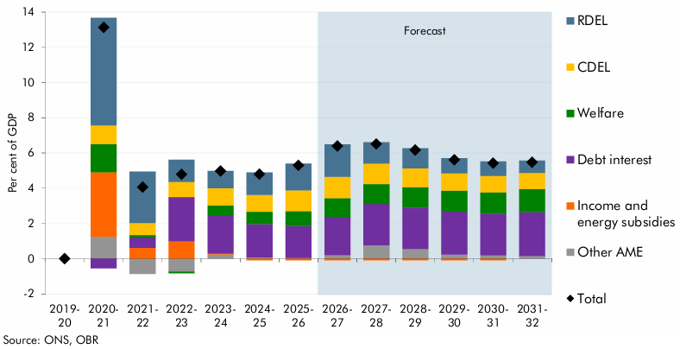

 |  | 2019-20 | 2020-21 | 2021-22 | 2022-23 | 2023-24 | 2024-25 | 2025-26 | 2026-27 | 2027-28 | 2028-29 | 2029-30 | 2030-31 | 2031-32
 | RDEL | 0.0 | 6.1 | 2.9 | 1.3 | 1.0 | 1.3 | 1.5 | 1.8 | 1.2 | 1.1 | 0.9 | 0.8 | 0.7
 | CDEL | 0.0 | 1.1 | 0.7 | 0.9 | 1.0 | 1.0 | 1.2 | 1.2 | 1.2 | 1.1 | 1.0 | 0.9 | 0.9
 | Welfare | 0.0 | 1.6 | 0.1 | -0.1 | 0.6 | 0.7 | 0.8 | 1.1 | 1.1 | 1.2 | 1.2 | 1.2 | 1.3
 | Debt interest | 0.0 | -0.6 | 0.6 | 2.5 | 2.1 | 1.9 | 1.8 | 2.2 | 2.4 | 2.4 | 2.4 | 2.4 | 2.5
 | Income and energy subsidies | 0.0 | 3.7 | 0.6 | 1.0 | 0.1 | -0.1 | -0.1 | -0.1 | -0.1 | -0.1 | -0.1 | -0.1 | -0.1
 | Other AME | 0.0 | 1.3 | -0.9 | -0.7 | 0.2 | 0.1 | 0.0 | 0.2 | 0.8 | 0.5 | 0.2 | 0.2 | 0.1
 | Total | 0.0 | 13.1 | 4.1 | 4.8 | 5.0 | 4.8 | 5.3 | 6.4 | 6.5 | 6.2 | 5.6 | 5.4 | 5.5

C5.3
Back to contents
 | Chart 5.3: Contributions to the rise in the spend-to-GDP ratio from 2019-20 to 2031-32

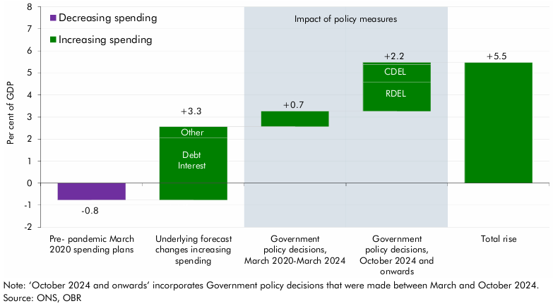

 |  | Per cent | Debt interest | Other | RDEL | CDEL
 | Pre- pandemic March 2020 spending plans | -0.8
 | Underlying forecast changes increasing spending |  | 2.1 | 0.5
 | Government policy decisions, March 2020-March 2024 | 0.7
 | Government policy decisions, October 2024 and onwards |  |  | 0.1 | 1.3 | 0.8
 | Total rise | 5.5

C5.4
Back to contents
 | Chart 5.4: Real departmental resource (RDEL) and capital (CDEL) spending

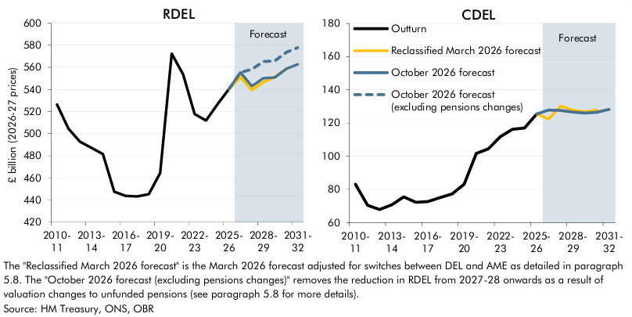

 | RDEL | 2010-11 | 2011-12 | 2012-13 | 2013-14 | 2014-15 | 2015-16 | 2016-17 | 2017-18 | 2018-19 | 2019-20 | 2020-21 | 2021-22 | 2022-23 | 2023-24 | 2024-25 | 2025-26 | 2026-27 | 2027-28 | 2028-29 | 2029-30 | 2030-31 | 2031-32
 | Outturn | 526.5 | 504.6 | 492.7 | 487.2 | 481.7 | 447.6 | 443.8 | 443.4 | 445.3 | 464.5 | 572.4 | 553.8 | 517.9 | 512.0 | 526.7 | 540.5
 | Reclassified March 2026 forecast |  |  |  |  |  |  |  |  |  |  |  |  |  |  |  | 540.5 | 551.5 | 539.7 | 546.7 | 551.2 | 558.8
 | October 2026 forecast |  |  |  |  |  |  |  |  |  |  |  |  |  |  |  | 540.5 | 555.5 | 543.1 | 550.3 | 550.9 | 558.7 | 562.8
 | October 2026 forecast (excluding pensions changes) |  |  |  |  |  |  |  |  |  |  |  |  |  |  |  | 540.5 | 555.5 | 558.2 | 565.4 | 565.9 | 573.7 | 577.8

 | CDEL | 2010-11 | 2011-12 | 2012-13 | 2013-14 | 2014-15 | 2015-16 | 2016-17 | 2017-18 | 2018-19 | 2019-20 | 2020-21 | 2021-22 | 2022-23 | 2023-24 | 2024-25 | 2025-26 | 2026-27 | 2027-28 | 2028-29 | 2029-30 | 2030-31 | 2031-32
 | Outturn | 83.1 | 70.4 | 67.9 | 70.7 | 75.5 | 72.2 | 72.7 | 75.1 | 77.2 | 83.1 | 101.7 | 104.4 | 111.8 | 116.2 | 116.9 | 125.4
 | Reclassified March 2026 forecast |  |  |  |  |  |  |  |  |  |  |  |  |  |  |  | 125.4 | 122.4 | 130.2 | 127.7 | 126.8 | 127.8
 | October 2026 forecast |  |  |  |  |  |  |  |  |  |  |  |  |  |  |  | 125.4 | 127.7 | 127.5 | 126.5 | 126.0 | 126.4 | 128.2

C5.5
Back to contents
 | Chart 5.5: Implied average annual real growth in RDEL spend
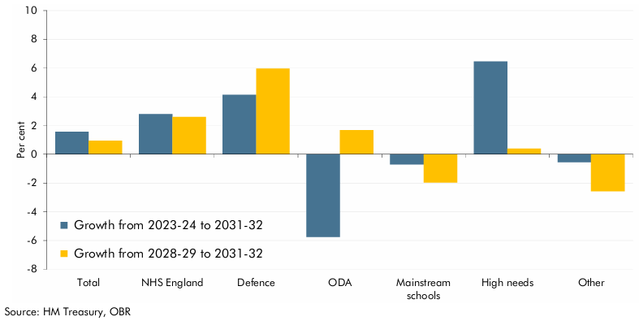

 |  | Growth from 2028-29 to 2031-32 | Growth from 2023-24 to 2031-32
 | Total | 0.9 | 1.6
 | NHS England | 2.6 | 2.8
 | Defence | 6.0 | 4.1
 | ODA | 1.7 | -5.8
 | Mainstream schools | -2.0 | -0.7
 | High needs | 0.4 | 6.5
 | Barnett (health) | 1.9 | 2.3
 | Barnett (education) | -1.3 | 0.9
 | Other | -2.6 | -0.6

C5.6
Back to contents
 | Chart 5.6: Cumulative change in welfare spending compared to 2025-26

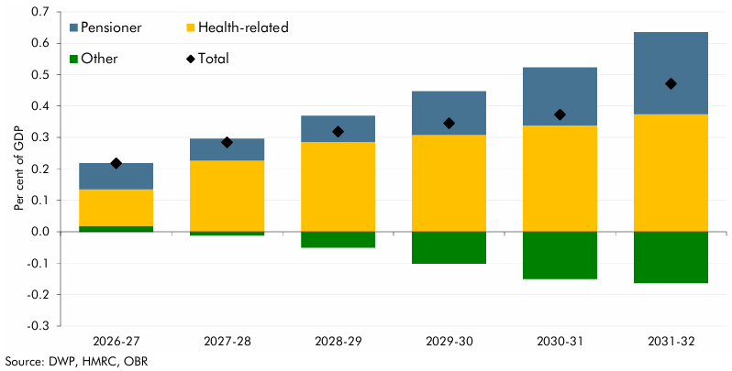

 |  | 2026-27 | 2027-28 | 2028-29 | 2029-30 | 2030-31 | 2031-32
 | Pensioner | 0.1 | 0.1 | 0.1 | 0.1 | 0.2 | 0.3
 | Health-related | 0.1 | 0.2 | 0.3 | 0.3 | 0.3 | 0.4
 | Other | 0.0 | 0.0 | -0.1 | -0.1 | -0.1 | -0.2
 | Total | 0.2 | 0.3 | 0.3 | 0.3 | 0.4 | 0.5

C5.A
Back to contents
 | Chart 5.A: Welfare spending as a share of GDP over time

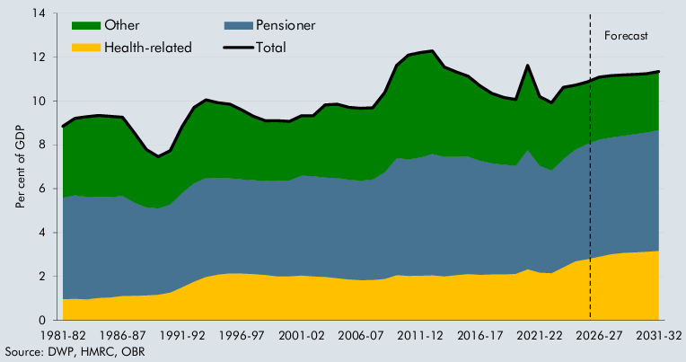

 |  | 1981-82 | 1982-83 | 1983-84 | 1984-85 | 1985-86 | 1986-87 | 1987-88 | 1988-89 | 1989-90 | 1990-91 | 1991-92 | 1992-93 | 1993-94 | 1994-95 | 1995-96 | 1996-97 | 1997-98 | 1998-99 | 1999-00 | 2000-01 | 2001-02 | 2002-03 | 2003-04 | 2004-05 | 2005-06 | 2006-07 | 2007-08 | 2008-09 | 2009-10 | 2010-11 | 2011-12 | 2012-13 | 2013-14 | 2014-15 | 2015-16 | 2016-17 | 2017-18 | 2018-19 | 2019-20 | 2020-21 | 2021-22 | 2022-23 | 2023-24 | 2024-25 | 2025-26 | 2026-27 | 2027-28 | 2028-29 | 2029-30 | 2030-31 | 2031-32
 | Health-related | 1.0 | 1.0 | 1.0 | 1.0 | 1.0 | 1.1 | 1.1 | 1.1 | 1.2 | 1.3 | 1.5 | 1.8 | 2.0 | 2.1 | 2.1 | 2.1 | 2.1 | 2.1 | 2.0 | 2.0 | 2.0 | 2.0 | 2.0 | 1.9 | 1.9 | 1.8 | 1.8 | 1.9 | 2.1 | 2.0 | 2.0 | 2.1 | 2.0 | 2.1 | 2.1 | 2.1 | 2.1 | 2.1 | 2.1 | 2.3 | 2.2 | 2.1 | 2.4 | 2.7 | 2.8 | 2.9 | 3.0 | 3.1 | 3.1 | 3.1 | 3.2
 | Pensioner | 4.6 | 4.7 | 4.7 | 4.6 | 4.6 | 4.6 | 4.3 | 4.0 | 3.9 | 4.0 | 4.3 | 4.5 | 4.5 | 4.4 | 4.3 | 4.3 | 4.3 | 4.3 | 4.4 | 4.4 | 4.6 | 4.6 | 4.5 | 4.6 | 4.5 | 4.5 | 4.6 | 4.9 | 5.3 | 5.3 | 5.4 | 5.5 | 5.5 | 5.4 | 5.4 | 5.2 | 5.1 | 5.0 | 4.9 | 5.4 | 4.9 | 4.7 | 4.9 | 5.1 | 5.3 | 5.3 | 5.3 | 5.3 | 5.4 | 5.4 | 5.5
 | Other | 3.3 | 3.5 | 3.7 | 3.7 | 3.7 | 3.6 | 3.2 | 2.6 | 2.4 | 2.5 | 3.0 | 3.5 | 3.6 | 3.5 | 3.4 | 3.2 | 2.9 | 2.8 | 2.7 | 2.7 | 2.7 | 2.7 | 3.3 | 3.4 | 3.3 | 3.3 | 3.3 | 3.6 | 4.2 | 4.8 | 4.8 | 4.7 | 4.1 | 3.9 | 3.7 | 3.4 | 3.2 | 3.1 | 3.0 | 3.9 | 3.1 | 3.1 | 3.3 | 2.9 | 2.8 | 2.8 | 2.8 | 2.8 | 2.7 | 2.7 | 2.7
 | Total | 8.9 | 9.2 | 9.3 | 9.3 | 9.3 | 9.3 | 8.5 | 7.8 | 7.5 | 7.7 | 8.8 | 9.7 | 10.1 | 9.9 | 9.9 | 9.6 | 9.3 | 9.1 | 9.1 | 9.1 | 9.3 | 9.3 | 9.8 | 9.9 | 9.7 | 9.7 | 9.7 | 10.4 | 11.6 | 12.1 | 12.2 | 12.3 | 11.5 | 11.3 | 11.1 | 10.7 | 10.3 | 10.2 | 10.1 | 11.6 | 10.2 | 9.9 | 10.6 | 10.7 | 10.9 | 11.1 | 11.2 | 11.2 | 11.2 | 11.2 | 11.3

C5.B
Back to contents
 | Chart 5.B: Change in welfare spending as a share of GDP over the forecast

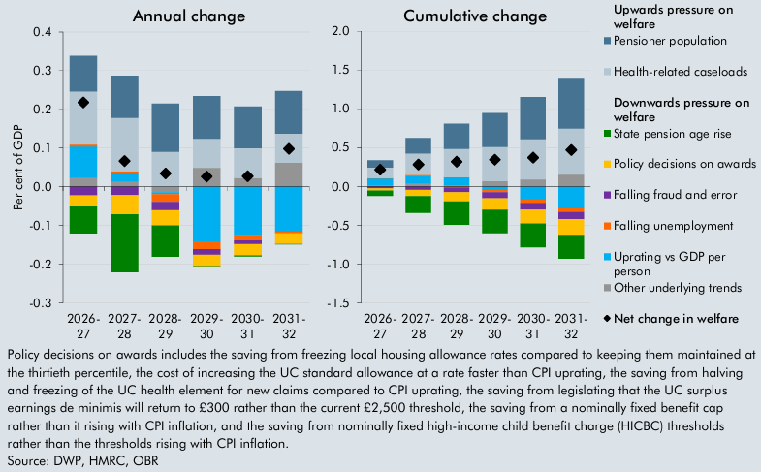

 | Cumulative change in welfare spending as a share of GDP across the forecast vs 2025-26
 |  | 2026-27 | 2027-28 | 2028-29 | 2029-30 | 2030-31 | 2031-32
 | Upwards pressure on welfare
 | Pensioner population | 0.1 | 0.2 | 0.3 | 0.4 | 0.5 | 0.7
 | Health-related caseloads | 0.1 | 0.3 | 0.4 | 0.4 | 0.5 | 0.6
 | Downwards pressure on welfare
 | State pension age rise | -0.1 | -0.2 | -0.3 | -0.3 | -0.3 | -0.3
 | Falling fraud and error | 0.0 | 0.0 | -0.1 | -0.1 | -0.1 | -0.1
 | Falling unemployment | 0.0 | 0.0 | 0.0 | 0.0 | 0.0 | 0.0
 | Policy decisions on awards | 0.0 | -0.1 | -0.1 | -0.1 | -0.2 | -0.2
 | Uprating vs GDP per person | 0.1 | 0.1 | 0.1 | 0.0 | -0.2 | -0.3
 | Other underlying trends | 0.0 | 0.0 | 0.0 | 0.1 | 0.1 | 0.2
 | Net change in welfare | 0.2 | 0.3 | 0.3 | 0.3 | 0.4 | 0.5

 | Annual change in welfare spending as a share of GDP across the forecast
 |  | 2026-27 | 2027-28 | 2028-29 | 2029-30 | 2030-31 | 2031-32
 | Upwards pressure on welfare
 | Pensioner population | 0.1 | 0.1 | 0.1 | 0.1 | 0.1 | 0.1
 | Health-related caseloads | 0.1 | 0.1 | 0.1 | 0.1 | 0.1 | 0.1
 | Downwards pressure on welfare
 | State pension age rise | -0.1 | -0.1 | -0.1 | 0.0 | 0.0 | 0.0
 | Falling fraud and error | 0.0 | 0.0 | 0.0 | 0.0 | 0.0 | 0.0
 | Falling unemployment | 0.0 | 0.0 | 0.0 | 0.0 | 0.0 | 0.0
 | Policy decisions on awards | 0.0 | 0.0 | 0.0 | 0.0 | 0.0 | 0.0
 | Uprating vs GDP per person | 0.1 | 0.0 | 0.0 | -0.1 | -0.1 | -0.1
 | Other underlying trends | 0.0 | 0.0 | 0.0 | 0.0 | 0.0 | 0.1
 | Net change in welfare | 0.2 | 0.1 | 0.0 | 0.0 | 0.0 | 0.1

C5.C
Back to contents
 | Chart 5.C: Housing revenue account spending and income

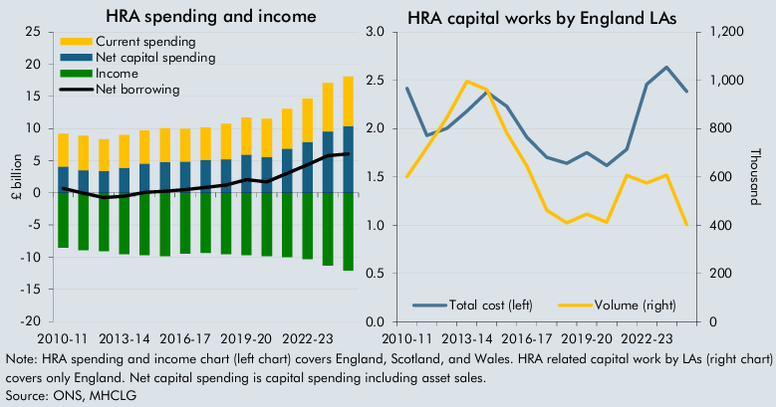

 | HRA spending and income |  |  |  |  | HRA related capital works by LAs
 |  | Income | Current spending | Net capital spending | Net borrowing |  | Volume (right) | Total cost (left)
 | 2010-11 | -8.5 | 5.1 | 4.1 | 0.7 | 2010-11 | 600.7 | 2.4
 | 2011-12 | -8.9 | 5.3 | 3.5 | -0.1 | 2011-12 | 720.6 | 1.9
 | 2012-13 | -9.1 | 4.9 | 3.4 | -0.7 | 2012-13 | 846.1 | 2.0
 | 2013-14 | -9.5 | 5.1 | 3.9 | -0.5 | 2013-14 | 996.4 | 2.2
 | 2014-15 | -9.7 | 5.2 | 4.6 | 0.1 | 2014-15 | 961.7 | 2.4
 | 2015-16 | -9.8 | 5.3 | 4.8 | 0.2 | 2015-16 | 781.5 | 2.2
 | 2016-17 | -9.5 | 5.1 | 4.9 | 0.5 | 2016-17 | 644.4 | 1.9
 | 2017-18 | -9.3 | 5.0 | 5.1 | 0.9 | 2017-18 | 461.3 | 1.7
 | 2018-19 | -9.5 | 5.5 | 5.2 | 1.2 | 2018-19 | 409.7 | 1.6
 | 2019-20 | -9.7 | 5.8 | 5.9 | 2.1 | 2019-20 | 446.2 | 1.8
 | 2020-21 | -9.8 | 5.9 | 5.6 | 1.7 | 2020-21 | 412.0 | 1.6
 | 2021-22 | -10.0 | 6.2 | 6.9 | 3.1 | 2021-22 | 606.9 | 1.8
 | 2022-23 | -10.3 | 6.8 | 7.9 | 4.4 | 2022-23 | 574.7 | 2.5
 | 2023-24 | -11.3 | 7.5 | 9.5 | 5.8 | 2023-24 | 607.9 | 2.6
 | 2024-25 | -12.1 | 7.7 | 10.4 | 6.0 | 2024-25 | 402.4 | 2.4

C5.7
Back to contents
 | Chart 5.7: Debt interest spending relative to GDP and effective interest rate

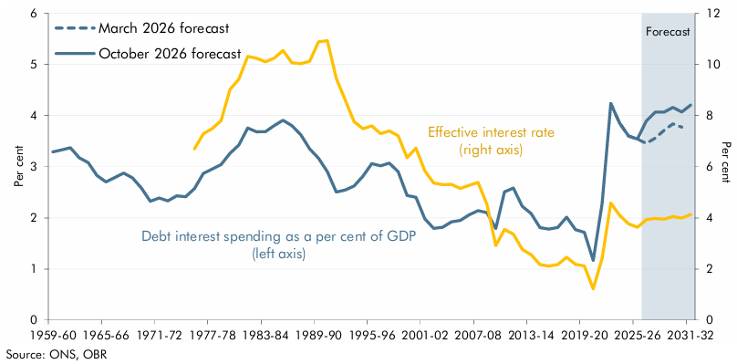

 |  | Effective interest rate | Debt interest spending (per cent of GDP)
 |  |  | October 2026 forecast | March 2026 forecast
 | 1956-57 |  | 3.5
 | 1957-58 |  | 3.4
 | 1958-59 |  | 3.4
 | 1959-60 |  | 3.3
 | 1960-61 |  | 3.3
 | 1961-62 |  | 3.4
 | 1962-63 |  | 3.2
 | 1963-64 |  | 3.1
 | 1964-65 |  | 2.8
 | 1965-66 |  | 2.7
 | 1966-67 |  | 2.8
 | 1967-68 |  | 2.9
 | 1968-69 |  | 2.8
 | 1969-70 |  | 2.6
 | 1970-71 |  | 2.3
 | 1971-72 |  | 2.4
 | 1972-73 |  | 2.3
 | 1973-74 |  | 2.4
 | 1974-75 |  | 2.4
 | 1975-76 | 6.7 | 2.6
 | 1976-77 | 7.3 | 2.9
 | 1977-78 | 7.5 | 3.0
 | 1978-79 | 7.8 | 3.0
 | 1979-80 | 9.0 | 3.3
 | 1980-81 | 9.4 | 3.4
 | 1981-82 | 10.3 | 3.8
 | 1982-83 | 10.2 | 3.7
 | 1983-84 | 10.1 | 3.7
 | 1984-85 | 10.3 | 3.8
 | 1985-86 | 10.5 | 3.9
 | 1986-87 | 10.1 | 3.8
 | 1987-88 | 10.0 | 3.6
 | 1988-89 | 10.1 | 3.4
 | 1989-90 | 10.9 | 3.2
 | 1990-91 | 10.9 | 2.9
 | 1991-92 | 9.5 | 2.5
 | 1992-93 | 8.6 | 2.5
 | 1993-94 | 7.8 | 2.6
 | 1994-95 | 7.5 | 2.8
 | 1995-96 | 7.6 | 3.1
 | 1996-97 | 7.3 | 3.0
 | 1997-98 | 7.4 | 3.1
 | 1998-99 | 7.2 | 2.9
 | 1999-00 | 6.4 | 2.4
 | 2000-01 | 6.7 | 2.4
 | 2001-02 | 5.8 | 2.0
 | 2002-03 | 5.4 | 1.8
 | 2003-04 | 5.3 | 1.8
 | 2004-05 | 5.3 | 1.9
 | 2005-06 | 5.2 | 2.0
 | 2006-07 | 5.3 | 2.1
 | 2007-08 | 5.4 | 2.1
 | 2008-09 | 4.5 | 2.1
 | 2009-10 | 2.9 | 1.8
 | 2010-11 | 3.5 | 2.5
 | 2011-12 | 3.4 | 2.6
 | 2012-13 | 2.8 | 2.2
 | 2013-14 | 2.6 | 2.1
 | 2014-15 | 2.2 | 1.8
 | 2015-16 | 2.1 | 1.8
 | 2016-17 | 2.2 | 1.8
 | 2017-18 | 2.5 | 2.0
 | 2018-19 | 2.2 | 1.8
 | 2019-20 | 2.1 | 1.7
 | 2020-21 | 1.2 | 1.2
 | 2021-22 | 2.4 | 2.3
 | 2022-23 | 4.6 | 4.2
 | 2023-24 | 4.1 | 3.9
 | 2024-25 | 3.8 | 3.6
 | 2025-26 | 3.6 | 3.5 | 3.5
 | 2026-27 | 3.9 | 3.9 | 3.5
 | 2027-28 | 4.0 | 4.1 | 3.6
 | 2028-29 | 4.0 | 4.1 | 3.7
 | 2029-30 | 4.1 | 4.2 | 3.8
 | 2030-31 | 4.0 | 4.1 | 3.8
 | 2031-32 | 4.1 | 4.2

